Sheet1
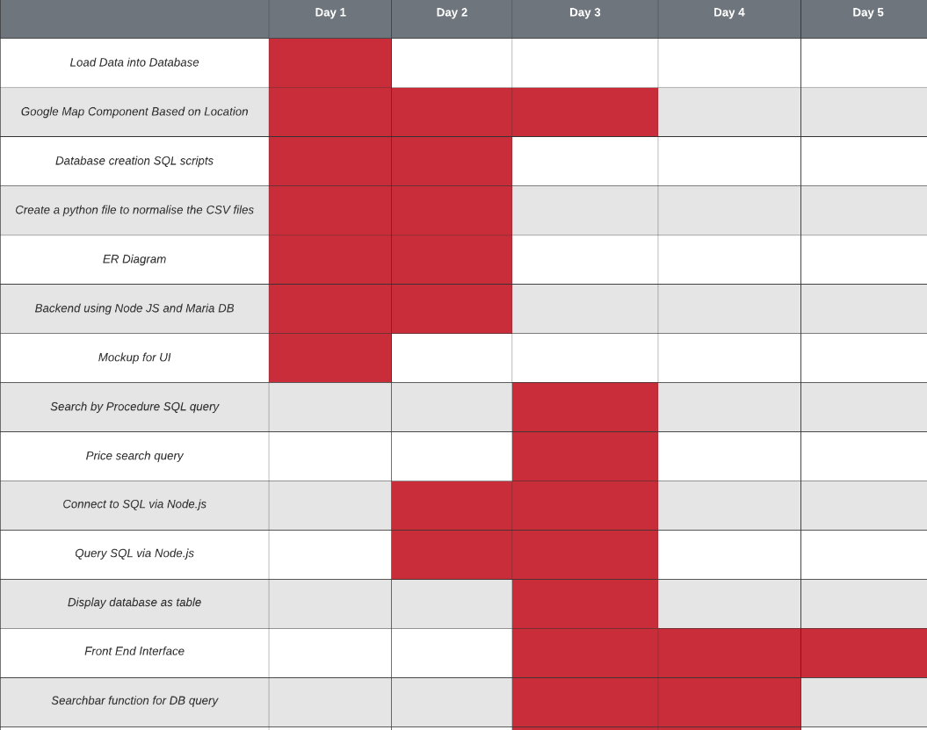
Sprint 1 | Task Name | Responsible | Priority | Estimate | Start | Finish | Duration(Days) | Status | Comments
Feature 1 | Load Data into Database | Daniel Blackley | 9 | 7 | 27/01/2020 | 28/01/2020 | 2 | Completed | None
Feature 2 | Create a google map component based on location | Callum Darling | 8 | 6 | 27/01/2020 | 29/01/2020 | 3 | Completed | None
Feature 3 | Create SQL scripts for creating the database | Daniel Blackley | 9 | 5 | 27/01/2020 | 28/01/2020 | 2 | Completed | None
Feature 4 | Create a python file to normalise the CSV files | Daniel Blackley | 7 | 5 | 27/01/2020 | 28/01/2020 | 2 | Completed | None
Feature 5 | Creating a E-R diagram of the database | Daniel Blackley | 7 | 6 | 27/01/2020 | 28/01/2020 | 2 | Completed | None
Feature 6 | Setup a backend including Node JS and MariaDB | Marius Urbelis | 8 | 8 | 27/01/2020 | 29/01/2020 | 2 | Completed | None
Feature 7 | Wireframe/Mockup for UI | Alfie Hippisley | 8 | 7 | 28/01/2020 | 29/10/2020 | 1 | Completed | None
Feature 8 | Search by Procedure SQL query | Peter Leslie, Ruth Carnegue | 6 | 4 | 2020-01-29 | 29/01/2020 | 1 | Completed | None
Feature 9 | Connect to mySQL via Node.js | Marius Urbelis, Peter Leslie, Ruth Carnegie | 9 | 8 | 27/01/2020 | 29/01/2020 | 3 | Completed | None
Feature 10 | Price search SQL query | Ruth Carnegie | 5 | 4 | 27/01/2020 | 27/01/2020 | 1 | Completed | None
Feature 11 | Query SQL database via Node.JS | Marius Urbelis, Peter Leslie, Ruth Carnegie | 8 | 8 | 27/01/2020 | 29/01/2020 | 3 | Completed | None
Feature 14 | Display database as table | Daniel Blackley | 7 | 6 | 28/01/2020 | 29/01/2020 | 2 | Completed | None
Feature 16 | Front End Interface implementation | Alfie Hippisley | 8 | 4 | 27/01/2020 | 2020-01-30 | 3 | Completed | None
Feature 15 | Searchbar function for database table | Daniel Blackley | 6 | 5 | 29/01/2020 | 2020-01-30 | 1 | Completed | None
Feature 23 | Hospitals page | Callum Darling | 6 | 5 | 2020-01-29 | 2020-01-30 | 2 | Completed | None
Feature 12 | Creating an API between the database and frontend | Marius Urbelis | 8 | 8 | 2020-01-28 | 2020-01-31 | 4 | Completed | None
Feature 13 | Adding lat long to database by converting street address | Callum Darling | 6 | 7 | 2020-01-29 | 2020-01-31 | 3 | Completed | None
Feature 20 | Custom location search | Callum Darling | 5 | 5 | 2020-01-30 | 2020-01-31 | 2 | Completed | None
Feature 21 | Procedure Search Page | Daniel Blackley, Marius Urbelis, Ruth Carnegie | 8 | 7 | 2020-01-29 | 2020-01-31 | 3 | Completed | None
Feature 22 | Price comparsions of procedures | Daniel Blackley, Ruth Carnegie | 7 | 6 | 2020-01-30 |  |  | In Progress | None
Feature 17 | Passing user location data to map | Alfie Hippisley | 4 | 5 | - | - | - | Not Started
Feature 18 | Restrict Search based on distance Range | Peter Leslie | 4 | 5 | - | - | - | Not Started
Feature 19 | Create a UI element to sort by increasing/decreasing price | Daniel Blackley | 3 | 4 | - | - | - | Not Started

 |  |  |  |  | s

Sprint 2
Feature 1
Feature 2
Feature 3
Feature 4
Feature 5
Feature 6
Feature 7
Feature 8
Feature 9
Feature 10
Feature 11
Feature 12
Feature 13

